RX2
We are pleased to quote:

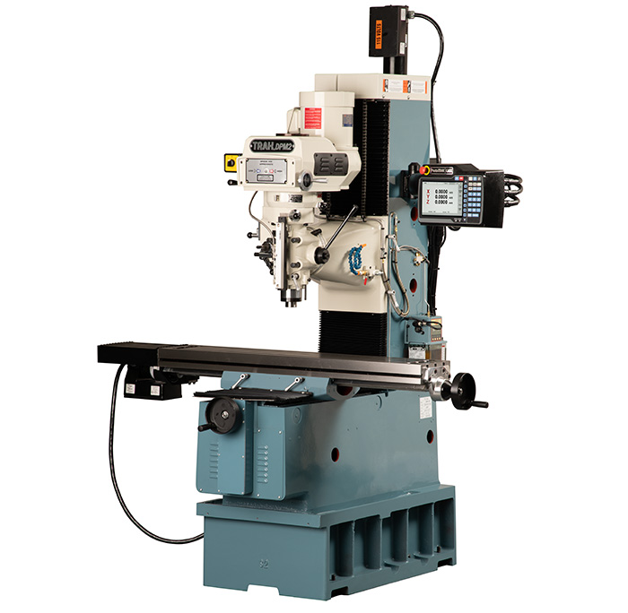
Southwestern Industries, Inc.
DPM KX2 Bed Mill Specifications with the ProtoTRAK KMX Control
Machine Specifications
· Table Size – 49” x 9”
· T-Slots (number x width x pitch) – 3 x .63” x 2.5”
· Travel (X, Y, Z axis) – 31” x 16” x 25.25”
· Quill Diameter - 3 3/8”
· Maximum Quill Travel - 5”
· Spindle Taper - R8
· Spindle Speed Range - 60-4200 RPM
· Spindle Center to Column Face – 18.5”
· Spindle Motor Power – 3 HP
· Power requirements – 200-240V;3P; 27A
· Maximum Weight of Workpiece - 1320 lbs.
· Height of table from bottom of bed – 36.75”
· Max spindle nose to table – 26.75”
· Min height – 92.5”
· Max height – 97”
· Width of machine including table – 71.25”
· Length with electric box door closed – 67”
· Overall width incl full table traverse – 104”
· Overall length with electrical door open – 93.88”
· Footprint of Machine – 23.13 x 40.5”
· Net weight / shipping lbs. - 3200 / 3500
· Rapid traverse X, Y, Z - 250 IPM on X, Y and Z with Mechanical Handwheels; 400 IPM on X and Y,
 | 250 IPM on Z on EHW machines
· Drilling max capacity - 1”
· Milling max capacity - 3 inch³/min
· Tapping max capacity - 3 /4 – 10
· Auto Lube Pump
· Precision ground ballscrews in the table, saddle and ram
· Chrome hardened and ground quill
· Meehanite castings
· Slide ways are Turcite coated
· Wide way surfaces are hardened and ground
· Programmable spindle control

Machine Options
· Glass Scales on table and saddle
· Auxiliary Functions
· Electronic Handwheels
· Remote Stop/Go switch
· Power Drawbar
· Memory Option – USB
· Spindle Option – 30 Taper
· Worklamp
· Chip Pan / Splash Shield
· Coolant Pump
· Spray Coolant
· Table Guard Enclosure
· Limit Switches
· Vise

KMX Control Specifications
Control Hardware
· Digital Servo Amplifiers – custom designed for ProtoTRAK operation
· D.C. Servo Motors – rated at 280 in-oz. continuous torque are twice that required
· Precision Ball Screws – in the table and saddle
· Modular Design – simplifies service and maximized uptime
· 115V/60HZ/10 amps
· Feedrate Override of programmed feedrate and rapid
· Polycarbonate Sealed Membrane Keypad to lock out contamination
· 9.0” Color LCD
· Windows® operating system
· USB port for interface with a storage device
· Rugged Industrial PC
· RJ45 Port and Ethernet card for Networking
· Glass Scale on quill for Z-axis readout

Software
· Clear, uncluttered screen display
· Prompted data inputs
· English language – no codes
· Soft keys – change within context
· Selectable two or three-axis CNC
· Inch/mm selectable
· Convenient modes of operation
· Diameter Cutter Compensation – allows programming of the part rather than the center of the tool path
· Circular interpolation – makes arcs and any size hole easy to do with standard tools
· Linear Interpolation – to machine lines at any angle
· Conrad – provides automatic corner radius programming with one data input
· Incremental and Absolute – programming can even be mixed within an event
· Error Messages – to identify programming mistakes
· Fault Messages – for system self-diagnostics
· Parts Graphics display
· Look – a single button press to view graphics during programming
· Math Help – for finding points in a prompted format with graphical representation of prompts
· Machine Tool Error Compensation and Backlash Compensation custom set on mill after installation
· Selectable Inch/mm measurement readout
· Jog of X and Y from 1 to 100 inches per minute
· AGE Auto Geometry Engine

DRO Mode features
· Incremental and absolute dimensions
· Jog at rapid with override
· Powerfeed X, Y or Z (3-axis models)
· Teach-in of manual moves
· Servo return to 0 absolute
· Tool offsets from library
· Go To Dimensions (Optional with TRAKing®)
· Fine/Course handwheel resolution (Optional with TRAKing®)

Program Mode features
· Auto Geometry Engine
· Geometry-based programming
· Tool Path programming
· Scaling of print data
· Programming of Auxiliary Functions (when present in original control)
· Three-axis Geometry conversational programming (3-axis models)
· Incremental and absolute dimensions
· Automatic diameter cutter comp
· Circular interpolation
· Linear interpolation
· Look –graphics with a single button push
· Event editing within the program
· Conrad – automatic corner radius
· Math helps with graphical interface
· Tool step over adjustable for pocket routines
· Subroutine repeat of programmed events
· Nesting
· Subroutine Rotate about Z axis for skewing data
· Subroutine Mirror of programmed events
· Copy repeat for editing of repeated events
· Copy rotate for editing of rotated events
· Copy mirror for editing of mirrored events
· Run Island, Helix, Thread Mill and Engrave events when present in an imported ProtoTRAK program

Programmed Canned Cycles
· Posn/Drill – single point
· Bolt Hole – series of points evenly spaced around a circle
· Mill – straight line in any direction
· Arc – any portion of a circle
· Pocket – a rectangle, circle or irregular and all the material inside, includes finish cut
· Profile – a perimeter of a rectangle, circle or irregular shape, includes finish cut
· Repeat, Rotation, Mirror – of programmed events with or without offset

Set Up Mode Features
· Service Codes
o Software
o Machine Setup
o Advanced Diagnostics and service logs
o Operator Defaults and options
· Set Pocket and Face Mill step-over (in Service Codes)
· Tool library
· Tool names
· Tool length offset with modifiers
· Tool path graphics with adjustable views
· Verify – solid model representation of finished part (as programmed)

Run Mode Features
· TRAKing (Optional)
· 3D CAM file program run
· 3D G code file run with tool comp
· Real time run graphics with tool icon

Program In/Out Mode Features
· Program storage to USB flash drive
· CAM program converter
· Converter for prior-generation ProtoTRAK programs
· DXF/DWG file converter (Offline version only)
· Selection of file storage locations
· Preview graphics for unopened files
· Networking
· Save Temp to save current program, tool offsets and home positions for running the next day with minimal setup

Options
· Remote Stop/Go (RSG) switch
· USB thumb drive for program storage and transfer.
· Offline programming system
· DXF and Parasolid programming on Offline

Control Options
KMX Offline programming
· All features of the ProtoTRAK KMX organized to run on your PC
· Program and set up your jobs and then load into the ProtoTRAK KMX
· Windows operating system (will not work with Mac OS)

Converter Package for Offline (requires purchase of KMX Offline Programming)
· Verify
· Solid model representation of machining the part including the tool path
The DXF File Converter
Import and convert CAD data into ProtoTRAK programs DXF or DWG files
Chaining
Automatic Gap Closing Layer control
Easy, prompted process you can do right at the machine

The Parasolid File Converter
Generate ProtoTRAK KMX programs from the data in the solid file
.x_t 3D CAD format
No specialized knowledge required

TRAKing/Electronic Handwheels Option (not available on all machines)
· Electronic Handwheels on X and Y (replaces the mechanical handwheels)
· TRAKing of programs during program run
· Go To Dimensions
· Selectable Fine/Coarse handwheel resolution

